Summary sheet
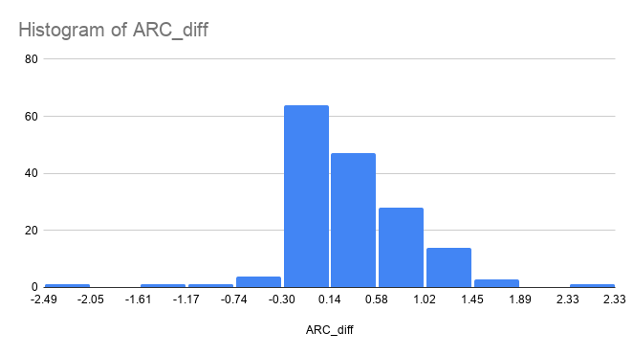
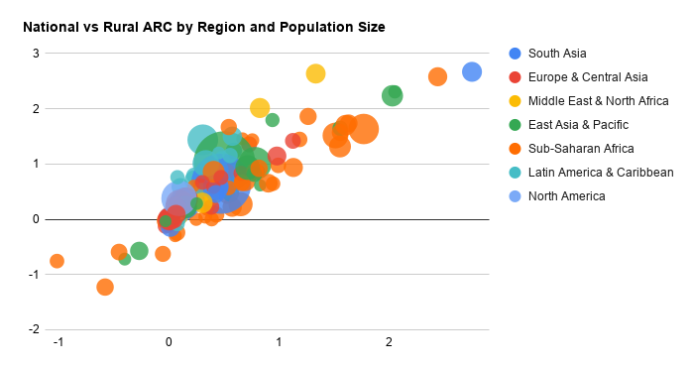
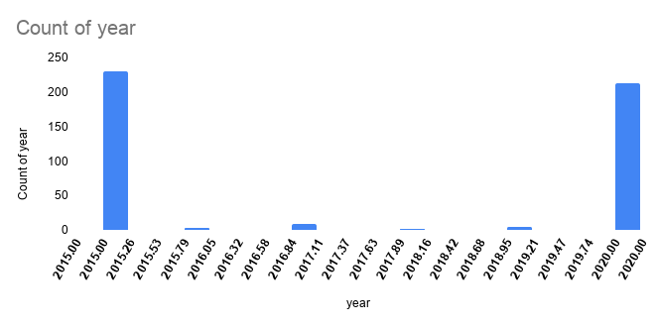
ARC BY AREA | AVERAGE | MIN | MAX
ARC_n | 0.2799653632 | -1.021788674 | 2.750326488
ARC_r | 0.4909877927 | -1.22738096 | 2.667882638
ARC_u | 0.1564318737 | -1.620086812 | 2.668211856

Count missing ARC values (“null”)
ARC_n | 2 |  |  |  | Area | Full access | Null | ARC = 0 | ARC<0 | ARC>0 | Total
ARC_r | 64 |  |  |  | National | 62 | 2 | 16 | 16 | 135 | 231
ARC_u | 50 |  |  |  | Rural | 29 | 64 | 5 | 17 | 116 | 231
 |  |  |  |  | Urban | 55 | 50 | 7 | 26 | 93 | 231

ARC = 0 (but NOT full access) |  | #countries not fully developed.
ARC_n | 33
ARC_r | 5
ARC_u | 7

ARC > 0 (improvement, not full access) |  | #Access is improving but not yet 100%
ARC_n | 146
ARC_r | 116
ARC_u | 93

ARC < 0 (decline, not full access) |  | #Access is getting worse, still no full access
ARC_n | 20
ARC_r | 16
ARC_u | 25

Region | countries | avg_ARC_N | avg_ARC_R | avg_ARC_U
South Asia | 11 | 0.4802304002 | 0.5591446267 | 0.2654886731
Europe & Central Asia | 64 | 0.1116857807 | 0.2244097083 | 0.04699521642
Middle East & North Africa | 10 | 0.3455630234 | 0.736987229 | 0.123978045
East Asia & Pacific | 40 | 0.2784349022 | 0.5077948018 | 0.2329579212
Sub-Saharan Africa | 53 | 0.5582808207 | 0.6042159222 | 0.2703666709
Latin America & Caribbean | 48 | 0.1444248535 | 0.680314497 | 0.07152159448
North America | 5 | 0.0171583956 | 0.14233131 | 0.0020331735

